Sheet1
 |  | Tag | Brood # |  | Tag | Brood # |  | Tag | Brood #
volume of larvae to count | Date | 107A- B2 (400) | 107A- B2 (400) | Cum 400 | 108A-B1 (700) | 108A-B1 (700) | Cum 700 | 103A-B2 (1000) | 103A-B2 (1000) | Cum 1000
45
46 |  |  |  |  |  |  |  |  |  |  | Graph of total releases from groups of 40 oysters over time at 16 C
47.5
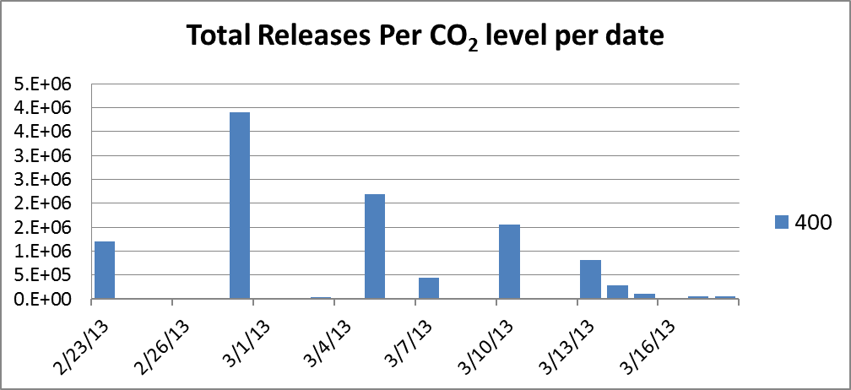
50

 | 2013-03-01 | B32 E | 1.85E+05 | 1.85E+05 |  |  |  | B59 E | 4.79E+05 | 4.79E+05
Blue E | 1.31E+05 | B32 L | 3.75E+03 | 1.89E+05 |  |  |  | B59 L | 6.75E+03 | 4.86E+05
Blue L | 3.75E+03 | B40 E | 7.72E+04 | 2.66E+05 |  |  |  | B56 E | 4.35E+04 | 5.29E+05
White E | 4.25E+05 | B40 L | 7.50E+03 | 2.74E+05 |  |  |  | B56 L | 7.84E+02 | 5.30E+05
Whaite L | 2.37E+05 | W39 L | 4.65E+05 | 7.39E+05 |  |  |  | W54 E | 6.88E+05 | 1.22E+06
BLUE | 2.55E+05 | W36 E | 3.84E+05 | 1.12E+06 |  |  |  | W54 L | 6.13E+03 | 1.22E+06
White E | 3.76E+05 | W36 L | 9.75E+03 | 1.13E+06 |  |  |  | W60 L | 2.73E+05 | 1.50E+06
 |  | W32 E | 4.67E+05 | 1.60E+06 |  |  |  | W51 E | 6.38E+05 | 2.14E+06
 |  | W32 L | 9.00E+03 | 1.61E+06 |  |  |  | W51 L | 4.50E+03 | 2.14E+06
 |  | 041 L | 3.64E+05 | 1.97E+06 |  |  |  | W52 E | 8.48E+04 | 2.22E+06
 | 2013-03-03 | O36 TRACE | 1.50E+03 | 1.97E+06 | W66 E | 612000 | 6.12E+05 | W52 L | 2.54E+05 | 2.48E+06
 |  | O39 TRACE | 1.50E+03 | 1.97E+06 | W64 E | 648000 | 1.26E+06 | W57 L | 3.00E+05 | 2.78E+06
 |  | O40 TRACE | 1.50E+03 | 1.98E+06 | O62 E | 523500 | 1.78E+06
 |  | O41 TRACE | 1.50E+03 | 1.98E+06 | O65 E | 485250 | 2.27E+06
 |  |  |  |  | O71 E | 257600 | 2.53E+06

total | 1.98E+06
early | 1.11E+06
late | 8.65E+05

tot blue | 2.74E+05
tot orange | 3.70E+05
tot white | 1.33E+06

 | Mean late stage (except trace) |  | 1.43E+05 |  |  |  |  |  | 1.21E+05
 | Mean fiull clutch |  | 3.24E+05 |  |  | 5.05E+05 |  |  | 3.94E+05
 | # BROODING | 10 |  |  | 5 |  |  | 7
 | ROUNDS OF RELEASES | 2 |  |  | 1 |  |  | 2

 |  | Groups are Totten 2008 - blue tag, Totten 2009 white tag, Hammersley Inlet 2010 orange tag, Hammersley wild yellow and green tags

